Part 1
Year | Catch | LN(Count) | Expected | (Exp-Obs)^2 | MSE |  | r - regression | 0.020804358428
1965 | 1200 | 7.0900768358 | 1200 |  | 448.07559521 |  | r - solver | 0.020920783004
1966 | 1217 | 7.1042521885 | 1225.369388 | 68
1967 | 1243 | 7.1255033676 | 1251.2751143 | 64 |  | SUMMARY OUTPUT
1968 | 1267 | 7.1441831316 | 1277.7285175 | 121
1969 | 1305 | 7.1742153496 | 1304.7411764 | 0 |  | Regression Statistics
1970 | 1333 | 7.1951928793 | 1332.324914 | 0 |  | Multiple R | 0.99899023255
1971 | 1362 | 7.2164350559 | 1360.4918038 | 1 |  | R Square | 0.99798148473
1972 | 1417 | 7.256336117 | 1389.2541742 | 773 |  | Adjusted R Square | 0.99792972793
1973 | 1447 | 7.2772664269 | 1418.6246144 | 807 |  | Standard Error | 0.011350964027
1974 | 1464 | 7.288811708 | 1448.6159797 | 231 |  | Observations | 41
1975 | 1491 | 7.307370364 | 1479.2413971 | 144
1976 | 1529 | 7.3326446031 | 1510.5142713 | 357 |  | ANOVA
1977 | 1576 | 7.3624284527 | 1542.4482902 | 1103 |  |  | df | SS | MS | F | Significance F
1978 | 1606 | 7.3811995626 | 1575.0574312 | 928 |  | Regression | 1 | 2.484394432 | 2.484394432 | 19282.132044 | 3.5658757769E-54
1979 | 1632 | 7.3977829705 | 1608.3559671 | 576 |  | Residual | 39 | 0.0050249309892 | 0.00012884438434
1980 | 1638 | 7.4010124001 | 1642.3584727 | 22 |  | Total | 40 | 2.489419363
1981 | 1682 | 7.4274509791 | 1677.0798305 | 20
1982 | 1714 | 7.4466511964 | 1712.535238 | 2 |  |  | Coefficients | Standard Error | t Stat | P-value | Lower 95% | Upper 95% | Lower 95.0% | Upper 95.0%
1983 | 1727 | 7.453856217 | 1748.7402138 | 494 |  | Intercept | -33.78733479 | 0.29740278255 | -113.60799822 | 8.7802842121E-51 | -34.388888697 | -33.185780882 | -34.388888697 | -33.185780882
1984 | 1774 | 7.4810069698 | 1785.7106047 | 137 |  | X Variable 1 | 0.020804358428 | 0.00014982241773 | 138.86011682 | 3.5658757769E-54 | 0.020501313984 | 0.021107402872 | 0.020501313984 | 0.021107402872
1985 | 1793 | 7.4918915839 | 1823.4625924 | 901
1986 | 1828 | 7.5107281828 | 1862.0127008 | 1188
1987 | 1869 | 7.5329742857 | 1901.3778031 | 1071
1988 | 1907 | 7.5530964345 | 1941.5751291 | 1221
1989 | 1965 | 7.5832768734 | 1982.6222732 | 309

1990 | 2032 | 7.616575382 | 2024.5372013 | 50
1991 | 2068 | 7.6343459558 | 2067.3382596 | 0
1992 | 2114 | 7.6562253893 | 2111.0441817 | 7
1993 | 2144 | 7.6705963006 | 2155.6740975 | 128
1994 | 2197 | 7.6950016411 | 2201.2475414 | 15
1995 | 2289 | 7.7360034704 | 2247.7844606 | 1724
1996 | 2327 | 7.7521382135 | 2295.3052241 | 976
1997 | 2333 | 7.7549370859 | 2343.8306315 | 116
1998 | 2360 | 7.7665669425 | 2393.3819222 | 1091
1999 | 2467 | 7.8109524276 | 2443.9807844 | 552
2000 | 2510 | 7.8278674618 | 2495.6493651 | 194
2001 | 2525 | 7.8339749477 | 2548.4102794 | 551
2002 | 2621 | 7.8712681688 | 2602.2866205 | 346
2003 | 2677 | 7.8924151851 | 2657.3019697 | 384
2004 | 2730 | 7.9119579765 | 2713.480407 | 264
2005 | 2739 | 7.9155136311 | 2770.8465215 | 986

Part 2
Year | Males/lek | ln(Count) | Predicted(LN(20)) | Pred(20) | Pred(LN(10)) | Pred(10)
1995 | 28 | 3.3322045102 | 3.497780 | 33.042017 | 3.7803747561 | 43.832465141
1996 | 37 | 3.6216581872 | 3.455940 | 31.688061 | 3.6788806103 | 39.602039137
1997 | 37 | 3.623392267 | 3.414100 | 30.389586 | 3.5773864645 | 35.779906487 | SUMMARY OUTPUT
1998 | 43 | 3.7612001157 | 3.372260 | 29.144319 | 3.4758923187 | 32.326661356
1999 | 44 | 3.7841896339 | 3.330420 | 27.950078 | 3.374398173 | 29.206701108 | Regression Statistics
2000 | 43 | 3.7684851725 | 3.288580 | 26.804774 | 3.2729040272 | 26.387859242 | Multiple R | 0.51971325334
2001 | 19 | 2.9618901717 | 3.246740 | 25.706400 | 3.1714098814 | 23.841073759 | R Square | 0.2701018657
2002 | 16 | 2.748694375 | 3.204900 | 24.653035 | 3.0699157356 | 21.540087536 | Adjusted R Square | 0.23168617442
2003 | 14 | 2.6655657527 | 3.163060 | 23.642832 | 2.9684215898 | 19.46117762 | Standard Error | 0.43786622273
2004 | 19 | 2.9692308147 | 3.121220 | 22.674025 | 2.866927444 | 17.582910641 | Observations | 21
2005 | 31 | 3.4442572607 | 3.079380 | 21.744916 | 2.7574003766 | 15.758822649
2006 | 28 | 3.3322045102 | 3.037540 | 20.853880 | 2.7763594097 | 16.060444888 | ANOVA
2007 | 10 | 2.3479032509 | 2.995700 | 19.999355 | 2.7953184428 | 16.367840145 |  | df | SS | MS | F | Significance F
2008 | 9 | 2.1972245773 | 2.953860 | 19.179845 | 2.814277476 | 16.681118916 | Regression | 1 | 1.3480370259 | 1.3480370259 | 7.0310296836 | 0.015746419619
2009 | 11 | 2.3978952728 | 2.912020 | 18.393917 | 2.8332365091 | 17.00039381 | Residual | 19 | 3.6428097512 | 0.19172682901
2010 | 13 | 2.5322193226 | 2.870180 | 17.640193 | 2.8521955422 | 17.325779592 | Total | 20 | 4.9908467771
2011 | 20 | 3.0060798598 | 2.828340 | 16.917355 | 2.8711545753 | 17.657393225
2012 | 16 | 2.7812860538 | 2.786500 | 16.224136 | 2.8901136084 | 17.995353908 |  | Coefficients | Standard Error | t Stat | P-value | Lower 95% | Upper 95% | Lower 95.0% | Upper 95.0%
2013 | 19 | 2.9338307858 | 2.744660 | 15.559323 | 2.9090726415 | 18.339783125 | Intercept | 86.968577779 | 31.638248999 | 2.7488429522 | 0.012766950556 | 20.748961585 | 153.18819397 | 20.748961585 | 153.18819397
2014 | 18 | 2.9047425085 | 2.702820 | 14.921752 | 2.9280316746 | 18.69080468 | X Variable 1 | -0.041841336454 | 0.015779603348 | -2.6516088859 | 0.015746419619 | -0.074868425831 | -0.0088142470768 | -0.074868425831 | -0.0088142470768
2015 | 33 | 3.4965075615 | 2.660980 | 14.310306 | 2.9469907077 | 19.048544752

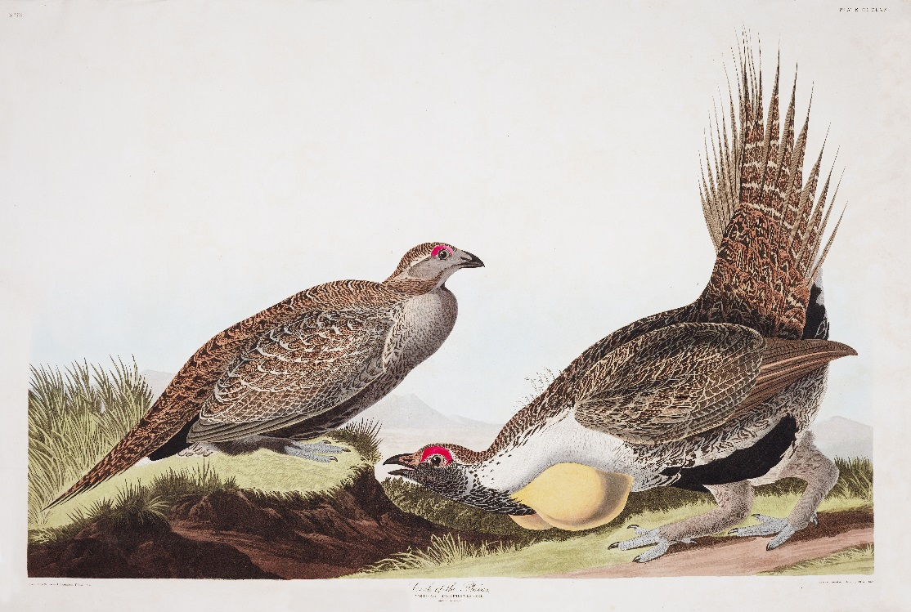

 |  |  |  |  |  |  | SUMMARY OUTPUT

 |  |  |  |  |  |  | Regression Statistics
 |  |  |  |  |  |  | Multiple R | 0.6870642907
 |  |  |  |  |  |  | R Square | 0.47205733955
 |  |  |  |  |  |  | Adjusted R Square | 0.40606450699
 |  |  |  |  |  |  | Standard Error | 0.34468229392
 |  |  |  |  |  |  | Observations | 10

 |  |  |  |  |  |  | ANOVA
 |  |  |  |  |  |  |  | df | SS | MS | F | Significance F
 |  |  |  |  |  |  | Regression | 1 | 0.84983758431 | 0.84983758431 | 7.1531607489 | 0.028163363042
 |  |  |  |  |  |  | Residual | 8 | 0.95044706992 | 0.11880588374
 |  |  |  |  |  |  | Total | 9 | 1.8002846542

 |  |  |  |  |  |  |  | Coefficients | Standard Error | t Stat | P-value | Lower 95% | Upper 95% | Lower 95.0% | Upper 95.0%
 |  |  |  |  |  |  | Intercept | 206.26119559 | 75.877647369 | 2.7183393627 | 0.026316253077 | 31.287026989 | 381.23536419 | 31.287026989 | 381.23536419
 |  |  |  |  |  |  | X Variable 1 | -0.10149414578 | 0.037948271608 | -2.6745393527 | 0.028163363042 | -0.18900301703 | -0.013985274529 | -0.18900301703 | -0.013985274529

 |  |  |  |  |  |  | SUMMARY OUTPUT

 |  |  |  |  |  |  | Regression Statistics
 |  |  |  |  |  |  | Multiple R | 0.13968888317
 |  |  |  |  |  |  | R Square | 0.019512984082
 |  |  |  |  |  |  | Adjusted R Square | -0.089430017687
 |  |  |  |  |  |  | Standard Error | 0.46984039303
 |  |  |  |  |  |  | Observations | 11

 |  |  |  |  |  |  | ANOVA
 |  |  |  |  |  |  |  | df | SS | MS | F | Significance F
 |  |  |  |  |  |  | Regression | 1 | 0.039538942997 | 0.039538942997 | 0.17911186368 | 0.68207121755
 |  |  |  |  |  |  | Residual | 9 | 1.9867499543 | 0.22074999492
 |  |  |  |  |  |  | Total | 10 | 2.0262888973

 |  |  |  |  |  |  |  | Coefficients | Standard Error | t Stat | P-value | Lower 95% | Upper 95% | Lower 95.0% | Upper 95.0%
 |  |  |  |  |  |  | Intercept | -35.255461002 | 90.043134208 | -0.39153969164 | 0.70450717937 | -238.94718201 | 168.43626001 | -238.94718201 | 168.43626001
 |  |  |  |  |  |  | X Variable 1 | 0.018959033107 | 0.044797523767 | 0.42321609572 | 0.68207121755 | -0.082380006158 | 0.12029807237 | -0.082380006158 | 0.12029807237

